Today's Menu
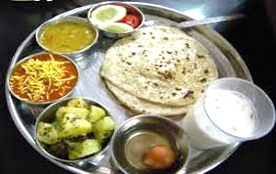 Canteen Menu May-2023

Canteen | Sabji-1 | Sabji-2 | Special Item | Regular
Anjani | Suki Bhaji | Masoor | Kachori | Kadhi-Rice-Roti-Salad

ANYA | Palakh Aloo | Matar | Aloo Vada | Dal-Rice-Roti-Salad

SKAPS | Chori Aloo | Matar | Bhungara | Dal-Rice-Roti-Salad

